Sheet 1
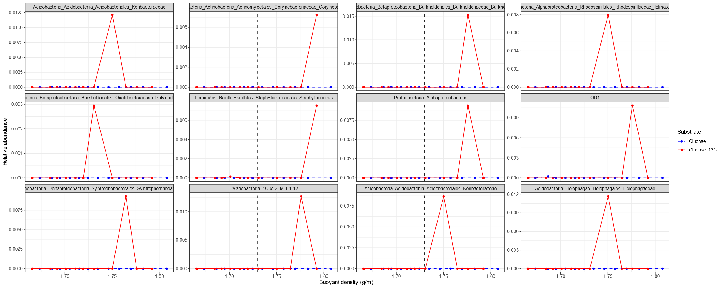
Direct 13C assimilators at T0 |  |  |  |  |  |  |  |  | Presence as a significant ASV across soil surface isotopi fractionations (sheet 2)
T0
 | ASV_ID | Kingdom | taxonomy | Phylum | Class | Order | Family | Genus | Surface | Deep
 | 0405ca18d418a9a7ba06450669c2ce7c | Bacteria | Acidobacteria_Acidobacteriia_Acidobacteriales_Koribacteraceae | Acidobacteria | Acidobacteriia | Acidobacteriales | Koribacteraceae | NA |  | YES
 | f34155788a05cce46950ae67e24f9ea3 | Bacteria | Verrucomicrobia_[Pedosphaerae]_[Pedosphaerales] | Verrucomicrobia | [Pedosphaerae] | [Pedosphaerales] | NA | NA
 | fb81574d887fa68041a84122487a0e47 | Bacteria | Firmicutes_Clostridia_Clostridiales_Veillonellaceae_Veillonella | Firmicutes | Clostridia | Clostridiales | Veillonellaceae | Veillonella | YES
 | a3a3b519e04bf11edbb1d82497c2b34c | Bacteria | Firmicutes_Bacilli_Lactobacillales_Streptococcaceae_Streptococcus | Firmicutes | Bacilli | Lactobacillales | Streptococcaceae | Streptococcus
 | eedc4d1c737c96e649faf4b4457608fe | Bacteria | Bacteroidetes_Bacteroidia_Bacteroidales_Prevotellaceae_Prevotella | Bacteroidetes | Bacteroidia | Bacteroidales | Prevotellaceae | Prevotella |  | YES

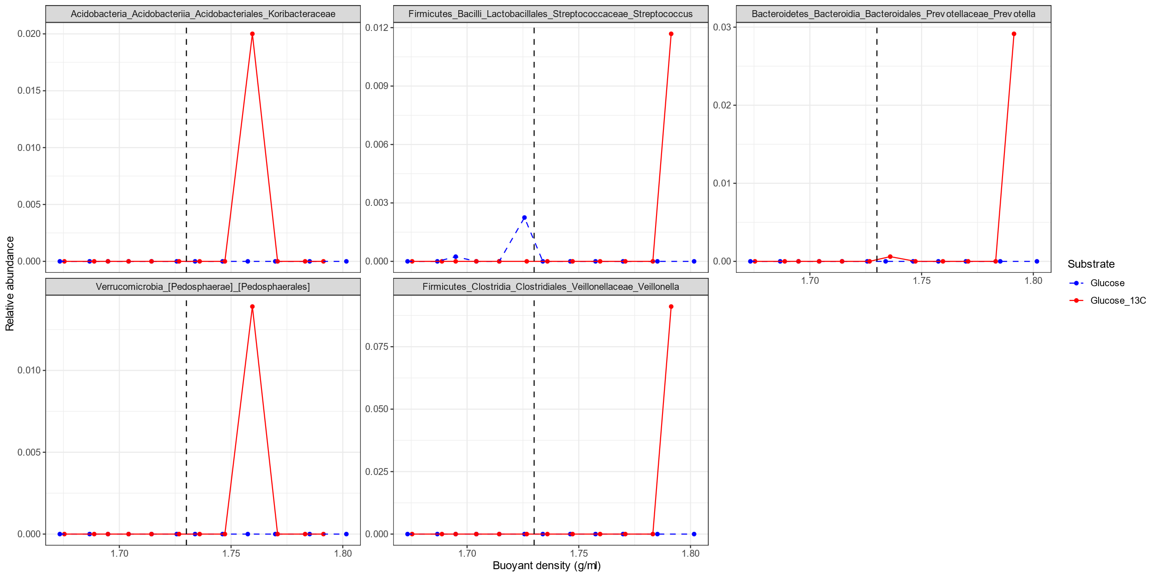

 |  |  |  |  |  |  |  |  | Presence as a significant ASV across soil surface isotopi fractionations (sheet 2)

T70 |  |  |  |  |  |  |  |  | Surface | Deep
 | 0405ca18d418a9a7ba06450669c2ce7c | Bacteria | Acidobacteria_Acidobacteriia_Acidobacteriales_Koribacteraceae | Acidobacteria | Acidobacteriia | Acidobacteriales | Koribacteraceae | NA |  | YES
 | 6891f2c8b552e5b71d3b72e3731eb6de | Bacteria | Proteobacteria_Betaproteobacteria_Burkholderiales_Burkholderiaceae_Burkholderia | Proteobacteria | Betaproteobacteria | Burkholderiales | Burkholderiaceae | Burkholderia |  | YES
 | 2ec497724d16a6556acabb22417d9f7b | Bacteria | Actinobacteria_Actinobacteria_Actinomycetales_Corynebacteriaceae_Corynebacterium | Actinobacteria | Actinobacteria | Actinomycetales | Corynebacteriaceae | Corynebacterium
 | 8163489fc7c7dbe405f3309c465c4640 | Bacteria | Proteobacteria_Betaproteobacteria_Burkholderiales_Oxalobacteraceae_Polynucleobacter | Proteobacteria | Betaproteobacteria | Burkholderiales | Oxalobacteraceae | Polynucleobacter |  | YES
 | e8e1ca3025a6f8c71d14297a89fdc430 | Bacteria | Acidobacteria_Acidobacteriia_Acidobacteriales_Koribacteraceae | Acidobacteria | Acidobacteriia | Acidobacteriales | Koribacteraceae | NA
 | db85145f335684883a3c45afb8b8a47f | Bacteria | Cyanobacteria_4C0d-2_MLE1-12 | Cyanobacteria | 4C0d-2 | MLE1-12 | NA | NA |  | YES
 | c76c79cc52adecd6e1b95bc83ec0d28e | Bacteria | OD1 | OD1 | NA | NA | NA | NA | YES | YES
 | d7161df13bef0958a979d430bee9bed1 | Bacteria | Proteobacteria_Deltaproteobacteria_Syntrophobacterales_Syntrophorhabdaceae | Proteobacteria | Deltaproteobacteria | Syntrophobacterales | Syntrophorhabdaceae | NA | YES
 | fb51606aca6dbd307fcde8675a0da238 | Bacteria | Acidobacteria_Holophagae_Holophagales_Holophagaceae | Acidobacteria | Holophagae | Holophagales | Holophagaceae | NA |  | YES
 | 9551cdcd09de4cc154a8b096bf8b7c50 | Bacteria | Proteobacteria_Alphaproteobacteria | Proteobacteria | Alphaproteobacteria | NA | NA | NA
 | 739b0dfa8c27317c9007b96d76bf6be9 | Bacteria | Proteobacteria_Alphaproteobacteria_Rhodospirillales_Rhodospirillaceae_Telmatospirillum | Proteobacteria | Alphaproteobacteria | Rhodospirillales | Rhodospirillaceae | Telmatospirillum
 | 86150701946b7a071b93feef50b3448e | Bacteria | Firmicutes_Bacilli_Bacillales_Staphylococcaceae_Staphylococcus | Firmicutes | Bacilli | Bacillales | Staphylococcaceae | Staphylococcus

Sheet 3
